Worksheet
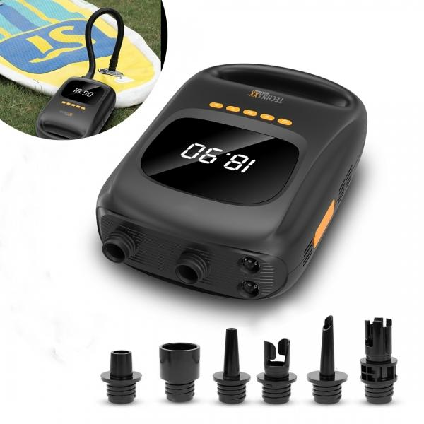
Technaxx SUP Battery Air Pump with power bank function TX-266

Item number | 5112 |  | VE | 4
EAN | 4260358126210 |  | Pieces per pallet | 220
Customs number | 84148080 |  | Layers per pallet | 5
UPC | 810016320654
Dimensions - item
Length(inch) | Width(inch) | Height(inch) | Weight(oz)
11.34 | 7.2 | 3.7 | 52,91

Dimensions - item packaging
Length(inch) | Width(inch) | Height(inch) | Tare(oz) | Weight(oz) product + packaging
12.72 | 8.46 | 6.89 | 7,05 | 74,08

Dimensions - VE box (master box)
Length(inch) | Width(inch) | Height(inch) | Weight(oz)
17.32 | 12.99 | 14.37 | 331,58

Packaging - components
Rest of accessories (oz) | Paper / cardboard (oz) | Styrofoam (oz) | Plastic hollow body(oz) | Plastic. foils(oz) | Composite materials (oz)
12,35 | 1,76 | 0,00 | 0,00 | 0,00 | 0,00

Battery / accumulator informations
Battery needed | Battery included | Type of battery | Battery system(typus)
No | Yes | Akku | Li-Ion - Lithium-Ionen-Akku
Quantity(piece) | Weight per piece.(oz) | Energy density(WH/Kg) | Power (WH)
1 | 5,29 | 185 | 27.75

Lithium battery
Energy content | Weight (oz)
7500 | 0,00

Further informations
Technaxx reseller portal

