Worksheet
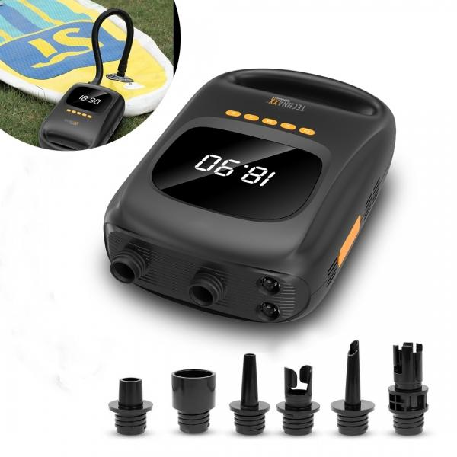
Technaxx SUP Battery Air Pump with power bank function TX-266

Item number | 5112 |  | VE | 4
EAN | 4260358126210 |  | Pieces per pallet | 220
Customs number | 84148080 |  | Layers per pallet | 5

Dimensions - item
Length(cm) | Width(cm) | Height(cm) | Weight(g)
28.8 | 18.3 | 9.4 | 1500

Dimensions - item packaging
Length(cm) | Width(cm) | Height(cm) | Tare(g) | Weight(g) product + packaging
32.3 | 21.5 | 17.5 | 200 | 2100

Dimensions - VE box (master box)
Length(cm) | Width(cm) | Height(cm) | Weight(g)
44 | 33 | 36.5 | 9400

Packaging - components
Rest of accessories (g) | Paper / cardboard (g) | Styrofoam (g) | Plastic hollow body(g) | Plastic. foils(g) | Composite materials (g)
350 | 50 | 0 | 0 | 0 | 0

Battery / accumulator informations
Battery needed | Battery included | Type of battery | Battery system(typus)
No | Yes | Akku | Li-Ion - Lithium-Ionen-Akku
Quantity(piece) | Weight per piece.(g) | Energy density(WH/Kg) | Power (WH)
1 | 150 | 185 | 27.75

Lithium battery
Energy content | Weight (Kg)
7500 | 0

Further informations
Technaxx reseller portal

