Worksheet
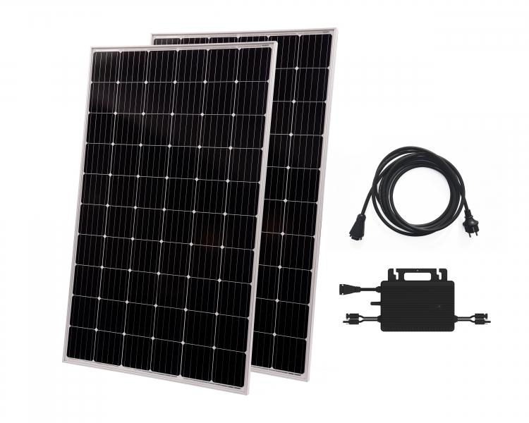
Technaxx Solar Balcony Power Plant 600W WiFi TX-265

Item number | 5104 |  | VE | 10
EAN | 4260358126203 |  | Pieces per pallet | 10
Customs number | 85018000 |  | Layers per pallet | 1
UPC | 0
Dimensions - item
Length(inch) | Width(inch) | Height(inch) | Weight(oz)
61.22 | 40.87 | 3.15 | 1.340,41

Dimensions - item packaging
Length(inch) | Width(inch) | Height(inch) | Tare(oz) | Weight(oz) product + packaging
62.6 | 42.28 | 3.94 | 91,71 | 1.444,47

Dimensions - VE box (master box)
Length(inch) | Width(inch) | Height(inch) | Weight(oz)
63.98 | 43.11 | 42.91 | 14.991,43

Packaging - components
Rest of accessories (oz) | Paper / cardboard (oz) | Styrofoam (oz) | Plastic hollow body(oz) | Plastic. foils(oz) | Composite materials (oz)
0,00 | 0,35 | 7,05 | 0,00 | 0,00 | 0,00

Further informations
Technaxx reseller portal

