Worksheet
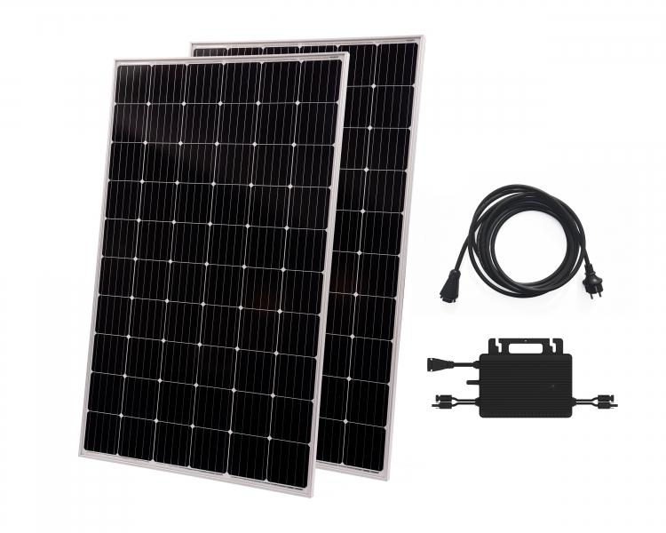
Technaxx Solar Balcony Power Plant 600W WiFi TX-265

Item number | 5104 |  | VE | 10
EAN | 4260358126203 |  | Pieces per pallet | 10
Customs number | 85018000 |  | Layers per pallet | 1

Dimensions - item
Length(cm) | Width(cm) | Height(cm) | Weight(g)
155.5 | 103.8 | 8 | 38000

Dimensions - item packaging
Length(cm) | Width(cm) | Height(cm) | Tare(g) | Weight(g) product + packaging
159 | 107.4 | 10 | 2600 | 40950

Dimensions - VE box (master box)
Length(cm) | Width(cm) | Height(cm) | Weight(g)
162.5 | 109.5 | 109 | 425000

Packaging - components
Rest of accessories (g) | Paper / cardboard (g) | Styrofoam (g) | Plastic hollow body(g) | Plastic. foils(g) | Composite materials (g)
0 | 10 | 200 | 0 | 0 | 0

Further informations
Technaxx reseller portal

