Worksheet
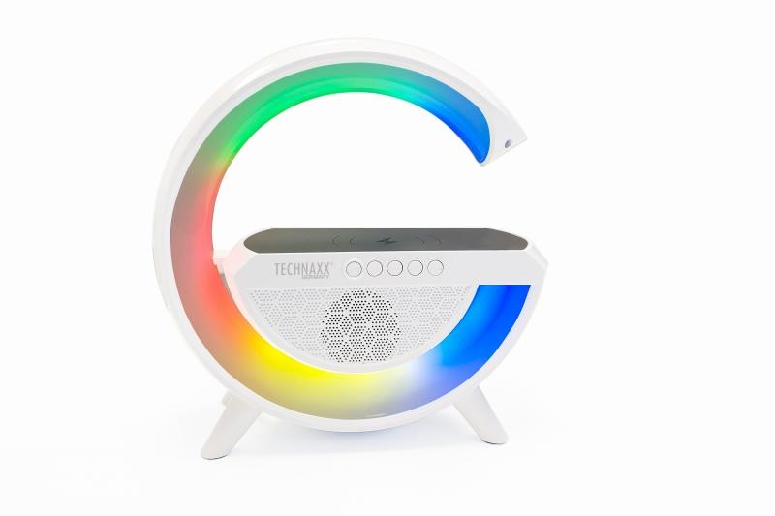
Technaxx LED Nightlight Speaker with wireless charging TX-264

Item number | 5102 |  | VE | 10
EAN | 4260358126180 |  | Pieces per pallet | 180
Customs number | 85271300 |  | Layers per pallet | 3
UPC | 0
Dimensions - item
Length(inch) | Width(inch) | Height(inch) | Weight(oz)
8.46 | 3.03 | 9.06 | 24,13

Dimensions - item packaging
Length(inch) | Width(inch) | Height(inch) | Tare(oz) | Weight(oz) product + packaging
9.84 | 3.35 | 9.84 | 3,99 | 29,70

Dimensions - VE box (master box)
Length(inch) | Width(inch) | Height(inch) | Weight(oz)
19.69 | 18.5 | 10.43 | 331,58

Packaging - components
Rest of accessories (oz) | Paper / cardboard (oz) | Styrofoam (oz) | Plastic hollow body(oz) | Plastic. foils(oz) | Composite materials (oz)
0,42 | 1,13 | 0,00 | 0,00 | 0,07 | 0,00

Battery / accumulator informations
Battery needed | Battery included | Type of battery | Battery system(typus)
Yes | Yes | Akku | Li-Ion - Lithium-Ionen-Akku
Quantity(piece) | Weight per piece.(oz) | Energy density(WH/Kg) | Power (WH)
1 | 1,55 | 0 | 0

Lithium battery
Energy content | Weight (oz)
2 | 1,55

Further informations
Technaxx reseller portal

