Worksheet
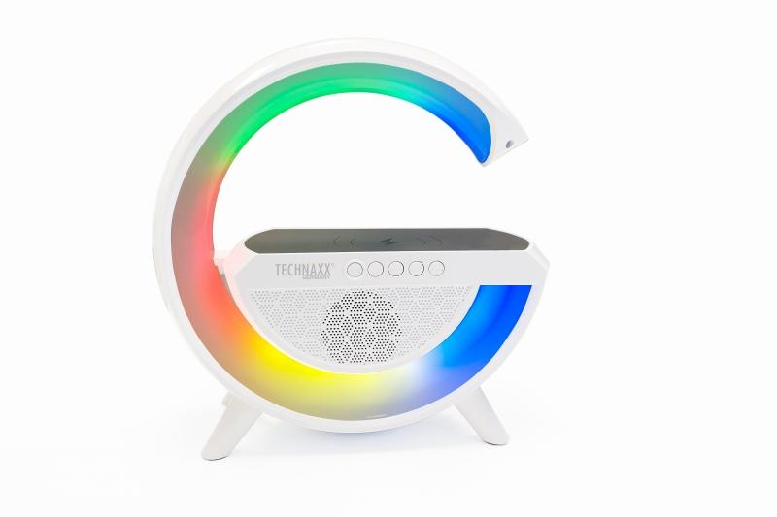
Technaxx LED Nightlight Speaker with wireless charging TX-264

Item number | 5102 |  | VE | 10
EAN | 4260358126180 |  | Pieces per pallet | 180
Customs number | 85271300 |  | Layers per pallet | 3

Dimensions - item
Length(cm) | Width(cm) | Height(cm) | Weight(g)
21.5 | 7.7 | 23 | 684

Dimensions - item packaging
Length(cm) | Width(cm) | Height(cm) | Tare(g) | Weight(g) product + packaging
25 | 8.5 | 25 | 113 | 842

Dimensions - VE box (master box)
Length(cm) | Width(cm) | Height(cm) | Weight(g)
50 | 47 | 26.5 | 9400

Packaging - components
Rest of accessories (g) | Paper / cardboard (g) | Styrofoam (g) | Plastic hollow body(g) | Plastic. foils(g) | Composite materials (g)
12 | 32 | 0 | 0 | 2 | 0

Battery / accumulator informations
Battery needed | Battery included | Type of battery | Battery system(typus)
Yes | Yes | Akku | Li-Ion - Lithium-Ionen-Akku
Quantity(piece) | Weight per piece.(g) | Energy density(WH/Kg) | Power (WH)
1 | 44 | 0 | 0

Lithium battery
Energy content | Weight (Kg)
2 | 44

Further informations
Technaxx reseller portal

