Worksheet
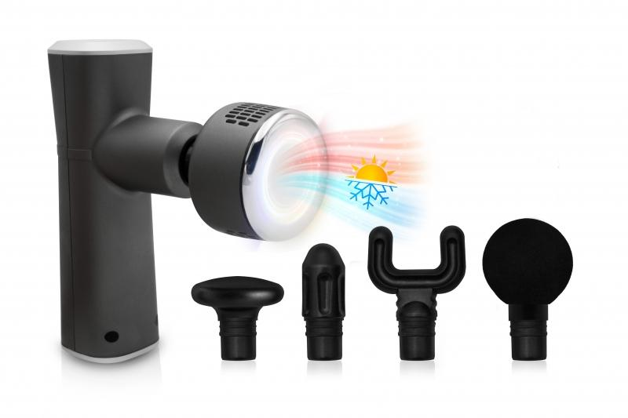
LifenaXX Massage Gun Hot-Cold Pro LX-041

Item number | 5092 |  | VE | 20
EAN | 4260358126081 |  | Pieces per pallet | 160
Customs number | 90191010 |  | Layers per pallet | no information
UPC | 0
Dimensions - item
Length(inch) | Width(inch) | Height(inch) | Weight(oz)
6.5 | 5.71 | 1.97 | 14,11

Dimensions - item packaging
Length(inch) | Width(inch) | Height(inch) | Tare(oz) | Weight(oz) product + packaging
8.94 | 7.87 | 3.15 | 5,64 | 36,83

Dimensions - VE box (master box)
Length(inch) | Width(inch) | Height(inch) | Weight(oz)
18.7 | 17.13 | 16.93 | 765,44

Packaging - components
Rest of accessories (oz) | Paper / cardboard (oz) | Styrofoam (oz) | Plastic hollow body(oz) | Plastic. foils(oz) | Composite materials (oz)
15,80 | 0,88 | 0,18 | 0,00 | 0,00 | 0,00

Battery / accumulator informations
Battery needed | Battery included | Type of battery | Battery system(typus)
Yes | Yes | Akku | Li-Ion - Lithium-Ionen-Akku
Quantity(piece) | Weight per piece.(oz) | Energy density(WH/Kg) | Power (WH)
2 | 1,55 | 0 | 7

Lithium battery
Energy content | Weight (oz)
2 | 3,10

Further informations
Technaxx reseller portal

