Worksheet
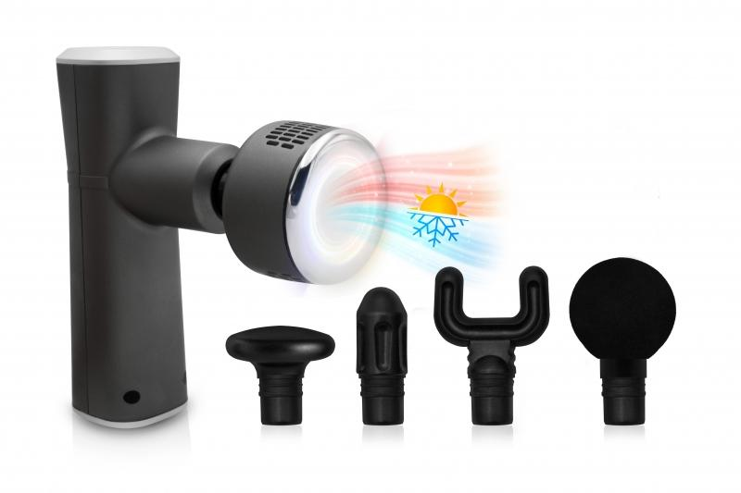
LifenaXX Massage Gun Hot-Cold Pro LX-041

Item number | 5092 |  | VE | 20
EAN | 4260358126081 |  | Pieces per pallet | 160
Customs number | 90191010 |  | Layers per pallet | no information

Dimensions - item
Length(cm) | Width(cm) | Height(cm) | Weight(g)
16.5 | 14.5 | 5 | 400

Dimensions - item packaging
Length(cm) | Width(cm) | Height(cm) | Tare(g) | Weight(g) product + packaging
22.7 | 20 | 8 | 160 | 1044

Dimensions - VE box (master box)
Length(cm) | Width(cm) | Height(cm) | Weight(g)
47.5 | 43.5 | 43 | 21700

Packaging - components
Rest of accessories (g) | Paper / cardboard (g) | Styrofoam (g) | Plastic hollow body(g) | Plastic. foils(g) | Composite materials (g)
448 | 25 | 5 | 0 | 0 | 0

Battery / accumulator informations
Battery needed | Battery included | Type of battery | Battery system(typus)
Yes | Yes | Akku | Li-Ion - Lithium-Ionen-Akku
Quantity(piece) | Weight per piece.(g) | Energy density(WH/Kg) | Power (WH)
2 | 44 | 0 | 7

Lithium battery
Energy content | Weight (Kg)
2 | 88

Further informations
Technaxx reseller portal

