Worksheet
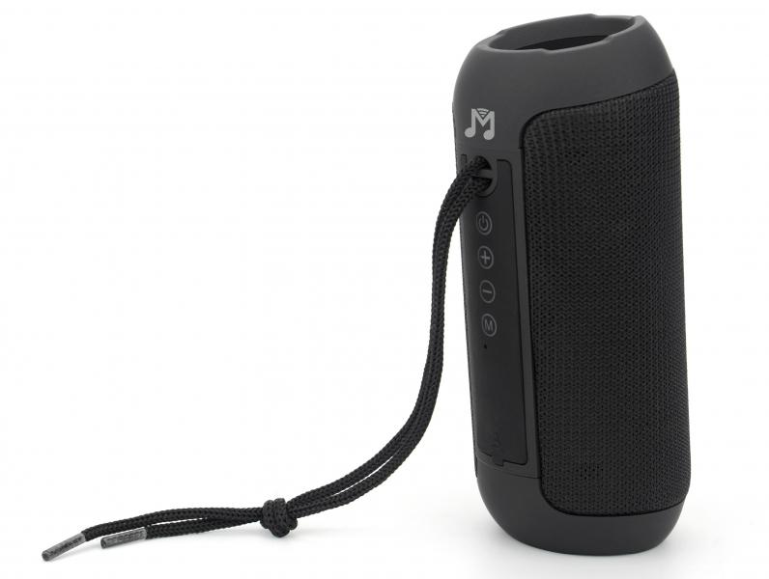
MusicMan Bluetooth Speaker BT-X61

Item number | 5090 |  | VE | 10
EAN | 4260358126067 |  | Pieces per pallet | 1120
Customs number | 85182100 |  | Layers per pallet | 8
UPC | 0
Dimensions - item
Length(inch) | Width(inch) | Height(inch) | Weight(oz)
5.98 | 2.56 | 2.56 | 11,29

Dimensions - item packaging
Length(inch) | Width(inch) | Height(inch) | Tare(oz) | Weight(oz) product + packaging
2.95 | 2.87 | 6.61 | 1,34 | 13,69

Dimensions - VE box (master box)
Length(inch) | Width(inch) | Height(inch) | Weight(oz)
15.35 | 6.5 | 8.46 | 142,51

Packaging - components
Rest of accessories (oz) | Paper / cardboard (oz) | Styrofoam (oz) | Plastic hollow body(oz) | Plastic. foils(oz) | Composite materials (oz)
0,67 | 0,32 | 0,00 | 0,00 | 0,21 | 0,00

Battery / accumulator informations
Battery needed | Battery included | Type of battery | Battery system(typus)
Yes | Yes | Akku | Li-Ion - Lithium-Ionen-Akku
Quantity(piece) | Weight per piece.(oz) | Energy density(WH/Kg) | Power (WH)
1 | 1,27 | 183.33 | 6.66

Lithium battery
Energy content | Weight (oz)
1800 | 1,27

Further informations
Technaxx reseller portal

