Worksheet
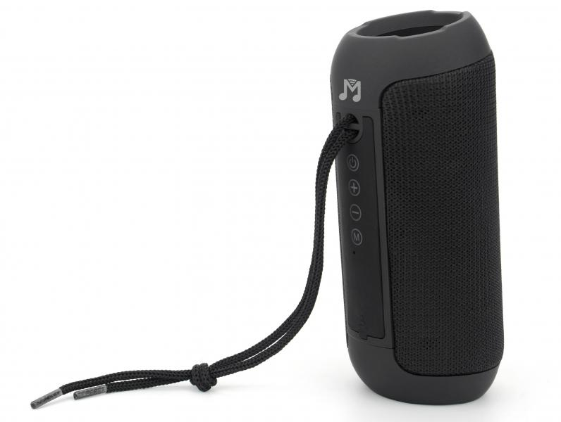
MusicMan Bluetooth Speaker BT-X61

Item number | 5090 |  | VE | 10
EAN | 4260358126067 |  | Pieces per pallet | 1120
Customs number | 85182100 |  | Layers per pallet | 8

Dimensions - item
Length(cm) | Width(cm) | Height(cm) | Weight(g)
15.2 | 6.5 | 6.5 | 320

Dimensions - item packaging
Length(cm) | Width(cm) | Height(cm) | Tare(g) | Weight(g) product + packaging
7.5 | 7.3 | 16.8 | 38 | 388

Dimensions - VE box (master box)
Length(cm) | Width(cm) | Height(cm) | Weight(g)
39 | 16.5 | 21.5 | 4040

Packaging - components
Rest of accessories (g) | Paper / cardboard (g) | Styrofoam (g) | Plastic hollow body(g) | Plastic. foils(g) | Composite materials (g)
19 | 9 | 0 | 0 | 6 | 0

Battery / accumulator informations
Battery needed | Battery included | Type of battery | Battery system(typus)
Yes | Yes | Akku | Li-Ion - Lithium-Ionen-Akku
Quantity(piece) | Weight per piece.(g) | Energy density(WH/Kg) | Power (WH)
1 | 36 | 183.33 | 6.66

Lithium battery
Energy content | Weight (Kg)
1800 | 36

Further informations
Technaxx reseller portal

