Worksheet
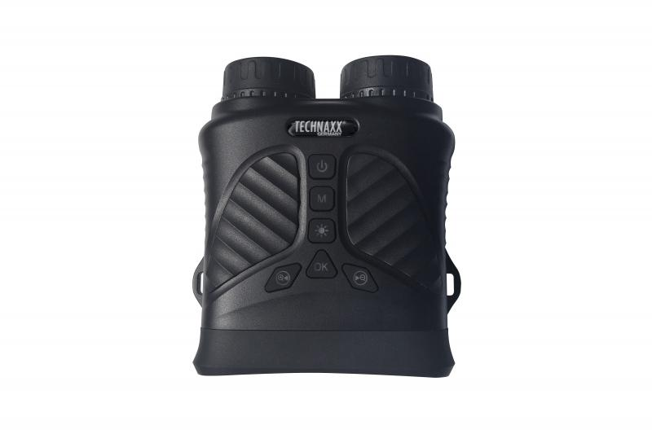
Technaxx Night Vision Binocular TX-257

Item number | 5089 |  | VE | 20
EAN | 4260358126050 |  | Pieces per pallet | 360
Customs number | 85258300 |  | Layers per pallet | 3
UPC | 0
Dimensions - item
Length(inch) | Width(inch) | Height(inch) | Weight(oz)
5.51 | 4.72 | 2.36 | 11,78

Dimensions - item packaging
Length(inch) | Width(inch) | Height(inch) | Tare(oz) | Weight(oz) product + packaging
8.27 | 6.3 | 2.76 | 4,02 | 24,55

Dimensions - VE box (master box)
Length(inch) | Width(inch) | Height(inch) | Weight(oz)
17.91 | 14.76 | 13.98 | 440,92

Packaging - components
Rest of accessories (oz) | Paper / cardboard (oz) | Styrofoam (oz) | Plastic hollow body(oz) | Plastic. foils(oz) | Composite materials (oz)
5,96 | 2,72 | 0,00 | 0,00 | 0,00 | 0,00

Battery / accumulator informations
Battery needed | Battery included | Type of battery | Battery system(typus)
Yes | Yes | Akku | Li-Ion - Lithium-Ionen-Akku
Quantity(piece) | Weight per piece.(oz) | Energy density(WH/Kg) | Power (WH)
1 | 1,62 | 201.09 | 9.25

Lithium battery
Energy content | Weight (oz)
2.5 | 1,62

Further informations
Technaxx reseller portal

