Worksheet
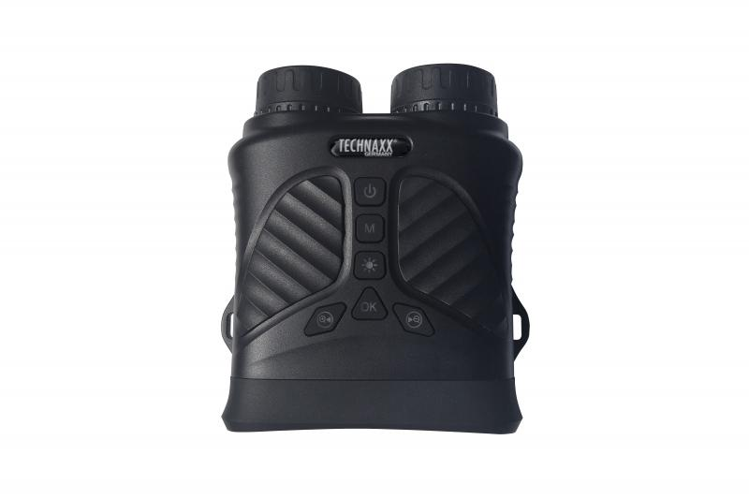
Technaxx Night Vision Binocular TX-257

Item number | 5089 |  | VE | 20
EAN | 4260358126050 |  | Pieces per pallet | 360
Customs number | 85258300 |  | Layers per pallet | 3

Dimensions - item
Length(cm) | Width(cm) | Height(cm) | Weight(g)
14 | 12 | 6 | 334

Dimensions - item packaging
Length(cm) | Width(cm) | Height(cm) | Tare(g) | Weight(g) product + packaging
21 | 16 | 7 | 114 | 696

Dimensions - VE box (master box)
Length(cm) | Width(cm) | Height(cm) | Weight(g)
45.5 | 37.5 | 35.5 | 12500

Packaging - components
Rest of accessories (g) | Paper / cardboard (g) | Styrofoam (g) | Plastic hollow body(g) | Plastic. foils(g) | Composite materials (g)
169 | 77 | 0 | 0 | 0 | 0

Battery / accumulator informations
Battery needed | Battery included | Type of battery | Battery system(typus)
Yes | Yes | Akku | Li-Ion - Lithium-Ionen-Akku
Quantity(piece) | Weight per piece.(g) | Energy density(WH/Kg) | Power (WH)
1 | 46 | 201.09 | 9.25

Lithium battery
Energy content | Weight (Kg)
2.5 | 46

Further informations
Technaxx reseller portal

