Worksheet
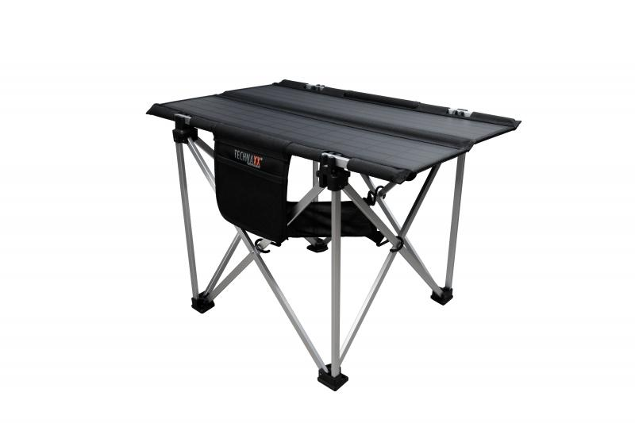
Technaxx Foldable Solar Camping Table 60W TX-252

Item number | 5084 |  | VE | 3
EAN | 4260358125992 |  | Pieces per pallet | 24
Customs number | 85017100 |  | Layers per pallet | 2
UPC | 810016320630
Dimensions - item
Length(inch) | Width(inch) | Height(inch) | Weight(oz)
33.46 | 25.98 | 22.05 | 162,97

Dimensions - item packaging
Length(inch) | Width(inch) | Height(inch) | Tare(oz) | Weight(oz) product + packaging
34.13 | 20.08 | 4.72 | 3,14 | 238,10

Dimensions - VE box (master box)
Length(inch) | Width(inch) | Height(inch) | Weight(oz)
34.65 | 14.76 | 19.88 | 762,62

Packaging - components
Rest of accessories (oz) | Paper / cardboard (oz) | Styrofoam (oz) | Plastic hollow body(oz) | Plastic. foils(oz) | Composite materials (oz)
10,09 | 0,60 | 6,28 | 0,00 | 0,00 | 0,00

Further informations
Technaxx reseller portal

