Worksheet
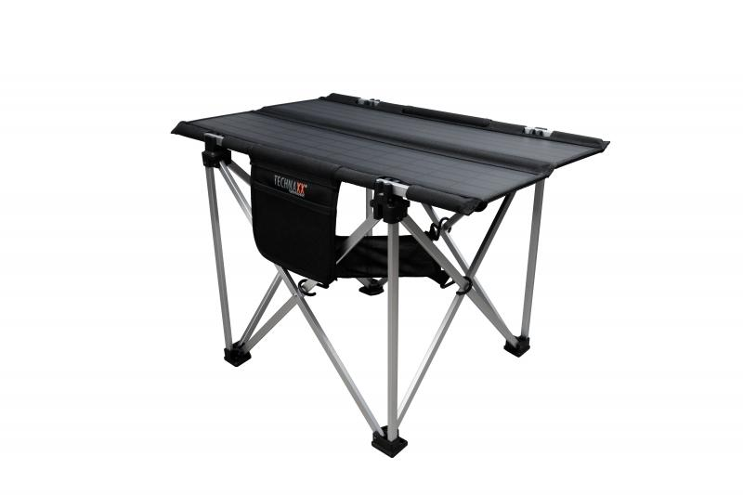
Technaxx Foldable Solar Camping Table 60W TX-252

Item number | 5084 |  | VE | 3
EAN | 4260358125992 |  | Pieces per pallet | 24
Customs number | 85017100 |  | Layers per pallet | 2

Dimensions - item
Length(cm) | Width(cm) | Height(cm) | Weight(g)
85 | 66 | 56 | 4620

Dimensions - item packaging
Length(cm) | Width(cm) | Height(cm) | Tare(g) | Weight(g) product + packaging
86.7 | 51 | 12 | 89 | 6750

Dimensions - VE box (master box)
Length(cm) | Width(cm) | Height(cm) | Weight(g)
88 | 37.5 | 50.5 | 21620

Packaging - components
Rest of accessories (g) | Paper / cardboard (g) | Styrofoam (g) | Plastic hollow body(g) | Plastic. foils(g) | Composite materials (g)
286 | 17 | 178 | 0 | 0 | 0

Further informations
Technaxx reseller portal

