Worksheet
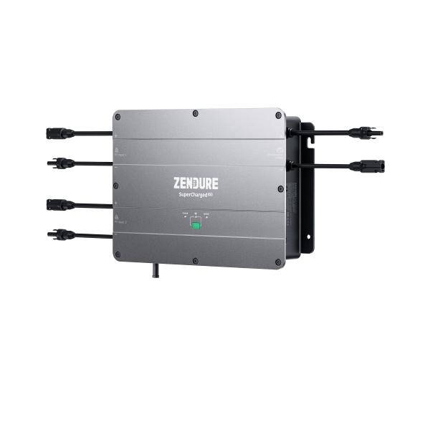
Zendure Hub ZDSPVH1200

Item number | 5075 |  | VE | 1
EAN | 6976552190077 |  | Pieces per pallet | 36
Customs number | 85044085 |  | Layers per pallet | no information
UPC | 0
Dimensions - item
Length(inch) | Width(inch) | Height(inch) | Weight(oz)
13.39 | 9.84 | 2.56 | 165,79

Dimensions - item packaging
Length(inch) | Width(inch) | Height(inch) | Tare(oz) | Weight(oz) product + packaging
21.65 | 11.81 | 7.09 | 0,00 | 176,37

Dimensions - VE box (master box)
Length(inch) | Width(inch) | Height(inch) | Weight(oz)
22.05 | 12.2 | 7.48 | 317,47

Packaging - components
Rest of accessories (oz) | Paper / cardboard (oz) | Styrofoam (oz) | Plastic hollow body(oz) | Plastic. foils(oz) | Composite materials (oz)
0,00 | 0,00 | 0,00 | 0,00 | 0,00 | 0,00

Further informations
Technaxx reseller portal

