Worksheet
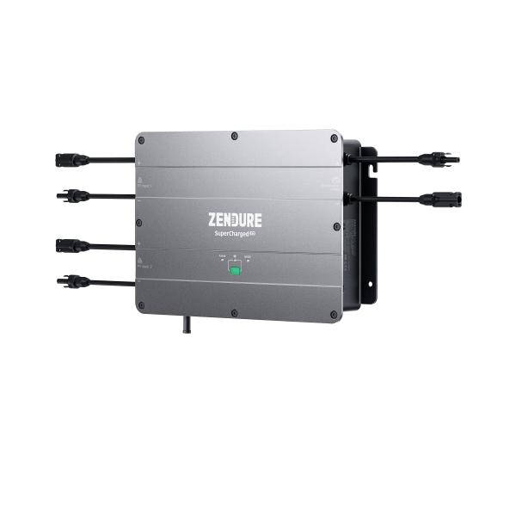
Zendure Hub ZDSPVH1200

Item number | 5075 |  | VE | 1
EAN | 6976552190077 |  | Pieces per pallet | 36
Customs number | 85044085 |  | Layers per pallet | no information

Dimensions - item
Length(cm) | Width(cm) | Height(cm) | Weight(g)
34 | 25 | 6.5 | 4700

Dimensions - item packaging
Length(cm) | Width(cm) | Height(cm) | Tare(g) | Weight(g) product + packaging
55 | 30 | 18 | 0 | 5000

Dimensions - VE box (master box)
Length(cm) | Width(cm) | Height(cm) | Weight(g)
56 | 31 | 19 | 9000

Packaging - components
Rest of accessories (g) | Paper / cardboard (g) | Styrofoam (g) | Plastic hollow body(g) | Plastic. foils(g) | Composite materials (g)
0 | 0 | 0 | 0 | 0 | 0

Further informations
Technaxx reseller portal

