Worksheet
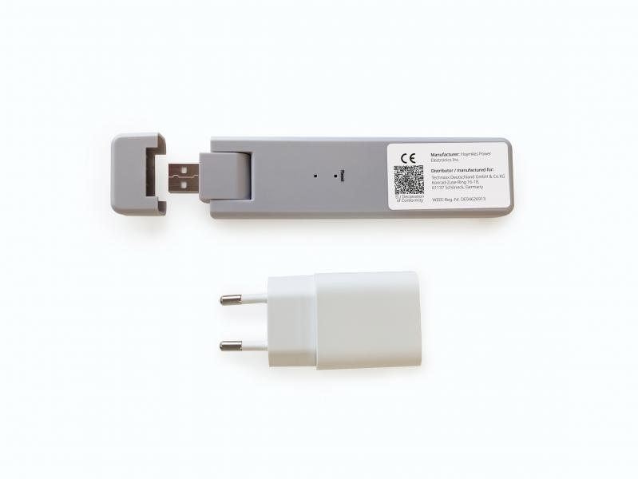
Technaxx WiFi Stick TX-247

Item number | 5073 |  | VE | 56
EAN | 4260358125923 |  | Pieces per pallet | 1008
Customs number | 85176990 |  | Layers per pallet | 3
UPC
Dimensions - item
Length(inch) | Width(inch) | Height(inch) | Weight(oz)
5.63 | 1.3 | 0.49 | 1,55

Dimensions - item packaging
Length(inch) | Width(inch) | Height(inch) | Tare(oz) | Weight(oz) product + packaging
8.54 | 4.72 | 1.57 | 2,47 | 6,17

Dimensions - VE box (master box)
Length(inch) | Width(inch) | Height(inch) | Weight(oz)
23.54 | 19.49 | 9.65 | 388,01

Packaging - components
Rest of accessories (oz) | Paper / cardboard (oz) | Styrofoam (oz) | Plastic hollow body(oz) | Plastic. foils(oz) | Composite materials (oz)
1,41 | 0,32 | 0,39 | 0,00 | 0,04 | 0,00

Further informations
Technaxx reseller portal

