Worksheet
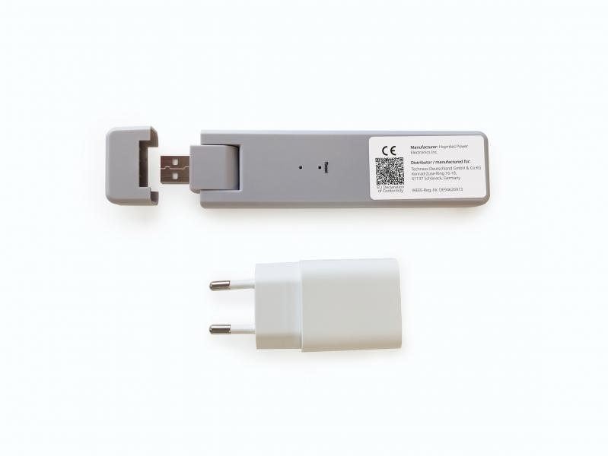
Technaxx WiFi Stick TX-247

Item number | 5073 |  | VE | 56
EAN | 4260358125923 |  | Pieces per pallet | 1008
Customs number | 85176990 |  | Layers per pallet | 3

Dimensions - item
Length(cm) | Width(cm) | Height(cm) | Weight(g)
14.3 | 3.3 | 1.25 | 44

Dimensions - item packaging
Length(cm) | Width(cm) | Height(cm) | Tare(g) | Weight(g) product + packaging
21.7 | 12 | 4 | 70 | 175

Dimensions - VE box (master box)
Length(cm) | Width(cm) | Height(cm) | Weight(g)
59.8 | 49.5 | 24.5 | 11000

Packaging - components
Rest of accessories (g) | Paper / cardboard (g) | Styrofoam (g) | Plastic hollow body(g) | Plastic. foils(g) | Composite materials (g)
40 | 9 | 11 | 0 | 1 | 0

Further informations
Technaxx reseller portal

