Worksheet
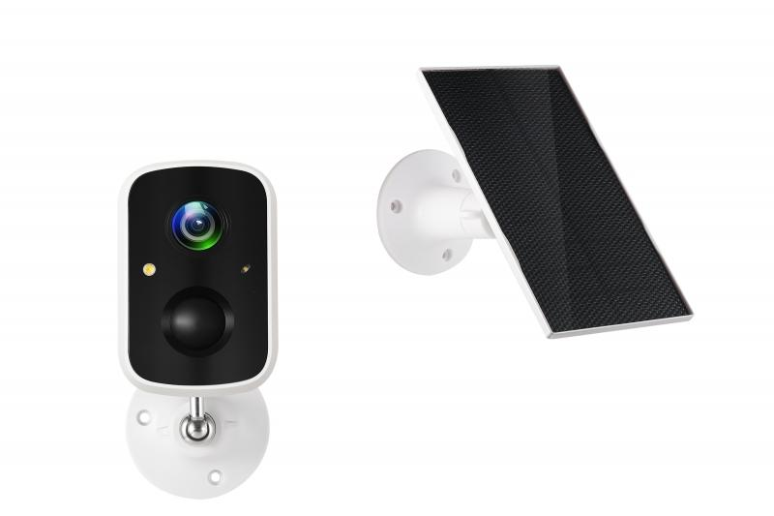
Technaxx Solar Outdoor IP-Camera TX-244

Item number | 5070 |  | VE | 24
EAN | 4260358125893 |  | Pieces per pallet | 432
Customs number | 85258900 |  | Layers per pallet | 3
UPC | 0
Dimensions - item
Length(inch) | Width(inch) | Height(inch) | Weight(oz)
3.43 | 2.24 | 2.17 | 7,69

Dimensions - item packaging
Length(inch) | Width(inch) | Height(inch) | Tare(oz) | Weight(oz) product + packaging
6.38 | 4.45 | 4.33 | 2,89 | 23,70

Dimensions - VE box (master box)
Length(inch) | Width(inch) | Height(inch) | Weight(oz)
18.7 | 13.39 | 13.86 | 592,60

Packaging - components
Rest of accessories (oz) | Paper / cardboard (oz) | Styrofoam (oz) | Plastic hollow body(oz) | Plastic. foils(oz) | Composite materials (oz)
4,66 | 2,79 | 0,00 | 1,20 | 0,18 | 0,00

Battery / accumulator informations
Battery needed | Battery included | Type of battery | Battery system(typus)
Yes | Yes | Akku | LiPoly - Lithium-Polymer-Akku
Quantity(piece) | Weight per piece.(oz) | Energy density(WH/Kg) | Power (WH)
1 | 3,28 | 206.88 | 19.24

Lithium battery
Energy content | Weight (oz)
5.2 | 3,28

Further informations
Technaxx reseller portal

