Worksheet
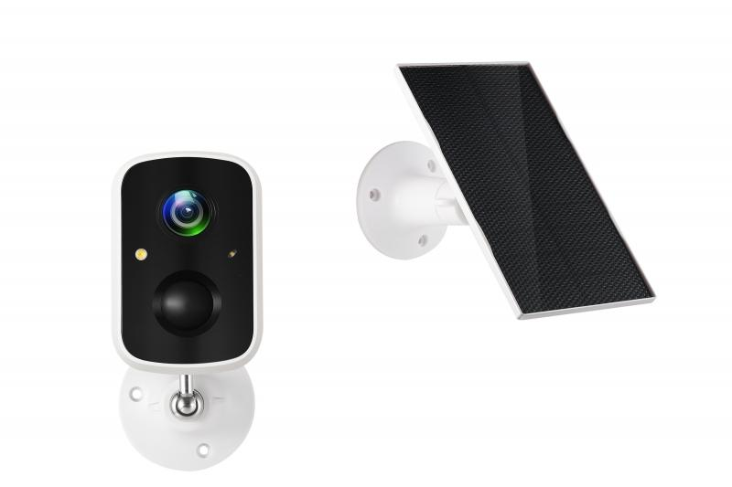
Technaxx Solar Outdoor IP-Camera TX-244

Item number | 5070 |  | VE | 24
EAN | 4260358125893 |  | Pieces per pallet | 432
Customs number | 85258900 |  | Layers per pallet | 3

Dimensions - item
Length(cm) | Width(cm) | Height(cm) | Weight(g)
8.7 | 5.7 | 5.5 | 218

Dimensions - item packaging
Length(cm) | Width(cm) | Height(cm) | Tare(g) | Weight(g) product + packaging
16.2 | 11.3 | 11 | 82 | 672

Dimensions - VE box (master box)
Length(cm) | Width(cm) | Height(cm) | Weight(g)
47.5 | 34 | 35.2 | 16800

Packaging - components
Rest of accessories (g) | Paper / cardboard (g) | Styrofoam (g) | Plastic hollow body(g) | Plastic. foils(g) | Composite materials (g)
132 | 79 | 0 | 34 | 5 | 0

Battery / accumulator informations
Battery needed | Battery included | Type of battery | Battery system(typus)
Yes | Yes | Akku | LiPoly - Lithium-Polymer-Akku
Quantity(piece) | Weight per piece.(g) | Energy density(WH/Kg) | Power (WH)
1 | 93 | 206.88 | 19.24

Lithium battery
Energy content | Weight (Kg)
5.2 | 93

Further informations
Technaxx reseller portal

