Worksheet
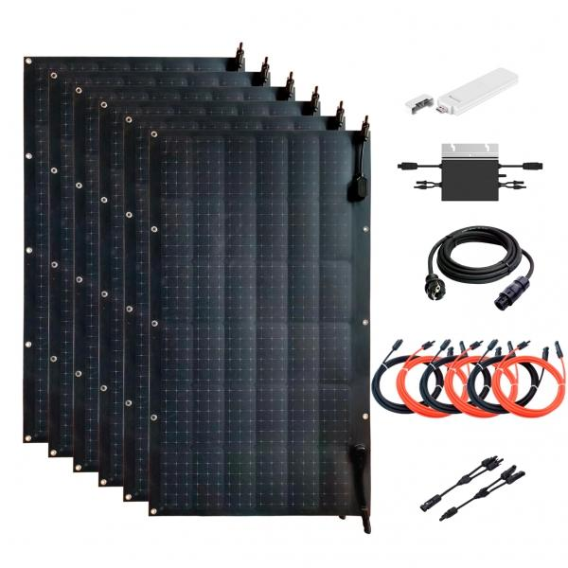
Technaxx Flexible solar balcony power plant 600 W WiFi TX-233

Item number | 5050 |  | VE | 1
EAN | 4260358125763 |  | Pieces per pallet | 6
Customs number | 85018000 |  | Layers per pallet | 6
UPC | 0
Dimensions - item
Length(inch) | Width(inch) | Height(inch) | Weight(oz)
40.94 | 22.83 | 0.08 | 52,21

Dimensions - item packaging
Length(inch) | Width(inch) | Height(inch) | Tare(oz) | Weight(oz) product + packaging
45.94 | 28.23 | 11.42 | 176,37 | 881,85

Dimensions - VE box (master box)
Length(inch) | Width(inch) | Height(inch) | Weight(oz)
45.94 | 28.23 | 11.42 | 881,85

Packaging - components
Rest of accessories (oz) | Paper / cardboard (oz) | Styrofoam (oz) | Plastic hollow body(oz) | Plastic. foils(oz) | Composite materials (oz)
0,00 | 0,00 | 0,00 | 0,00 | 0,00 | 0,00

Further informations
Technaxx reseller portal

