Worksheet
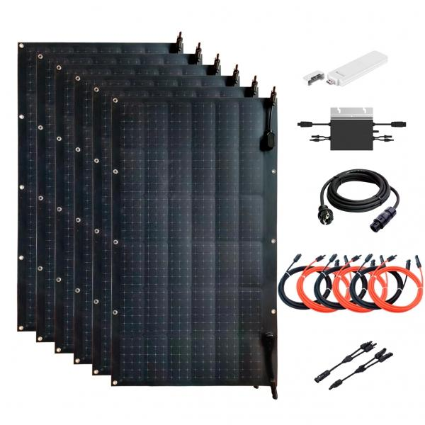
Technaxx Flexible solar balcony power plant 600 W WiFi TX-233

Item number | 5050 |  | VE | 1
EAN | 4260358125763 |  | Pieces per pallet | 6
Customs number | 85018000 |  | Layers per pallet | 6

Dimensions - item
Length(cm) | Width(cm) | Height(cm) | Weight(g)
104 | 58 | 0.2 | 1480

Dimensions - item packaging
Length(cm) | Width(cm) | Height(cm) | Tare(g) | Weight(g) product + packaging
116.7 | 71.7 | 29 | 5000 | 25000

Dimensions - VE box (master box)
Length(cm) | Width(cm) | Height(cm) | Weight(g)
116.7 | 71.7 | 29 | 25000

Packaging - components
Rest of accessories (g) | Paper / cardboard (g) | Styrofoam (g) | Plastic hollow body(g) | Plastic. foils(g) | Composite materials (g)
0 | 0 | 0 | 0 | 0 | 0

Further informations
Technaxx reseller portal

