Worksheet
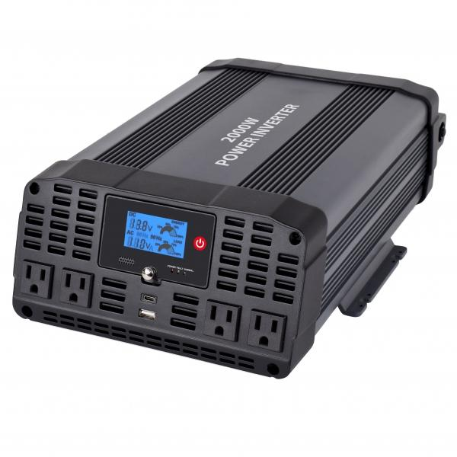
Item number | 5045 |  | VE | 2
EAN | 810016320548 |  | Pieces per pallet | 48
Customs number | 8504408790 |  | Layers per pallet | 4

Dimensions - item
Length(cm) | Width(cm) | Height(cm) | Weight(g)
36 | 26 | 12 | 4200

Dimensions - item packaging
Length(cm) | Width(cm) | Height(cm) | Tare(g) | Weight(g) product + packaging
41.5 | 29 | 17.5 | 0 | 5140

Dimensions - VE box (master box)
Length(cm) | Width(cm) | Height(cm) | Weight(g)
57 | 30 | 37 | 10920

Packaging - components
Rest of accessories (g) | Paper / cardboard (g) | Styrofoam (g) | Plastic hollow body(g) | Plastic. foils(g) | Composite materials (g)
306 | 0 | 0 | 0 | 0 | 0

Further informations
Technaxx reseller portal

