Worksheet
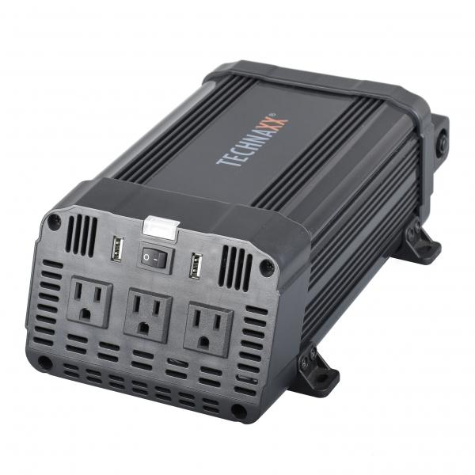
Inverter 1200W TE16 US

Item number | 5044 |  | VE | 4
EAN | 810016320531 |  | Pieces per pallet | 140
Customs number | 8504408790 |  | Layers per pallet | 7
UPC | 810016320531
Dimensions - item
Length(inch) | Width(inch) | Height(inch) | Weight(oz)
11.34 | 6.26 | 3.9 | 68,78

Dimensions - item packaging
Length(inch) | Width(inch) | Height(inch) | Tare(oz) | Weight(oz) product + packaging
13.54 | 8.43 | 4.33 | 0,00 | 95,24

Dimensions - VE box (master box)
Length(inch) | Width(inch) | Height(inch) | Weight(oz)
17.72 | 13.98 | 9.06 | 388,01

Packaging - components
Rest of accessories (oz) | Paper / cardboard (oz) | Styrofoam (oz) | Plastic hollow body(oz) | Plastic. foils(oz) | Composite materials (oz)
0,00 | 0,00 | 0,00 | 0,00 | 0,00 | 0,00

Further informations
Technaxx reseller portal

