Worksheet
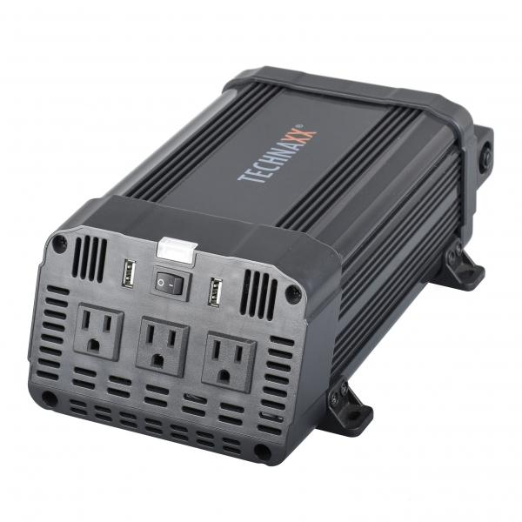
Inverter 1200W TE16 US

Item number | 5044 |  | VE | 4
EAN | 810016320531 |  | Pieces per pallet | 140
Customs number | 8504408790 |  | Layers per pallet | 7

Dimensions - item
Length(cm) | Width(cm) | Height(cm) | Weight(g)
28.8 | 15.9 | 9.9 | 1950

Dimensions - item packaging
Length(cm) | Width(cm) | Height(cm) | Tare(g) | Weight(g) product + packaging
34.4 | 21.4 | 11 | 0 | 2700

Dimensions - VE box (master box)
Length(cm) | Width(cm) | Height(cm) | Weight(g)
45 | 35.5 | 23 | 11000

Packaging - components
Rest of accessories (g) | Paper / cardboard (g) | Styrofoam (g) | Plastic hollow body(g) | Plastic. foils(g) | Composite materials (g)
0 | 0 | 0 | 0 | 0 | 0

Further informations
Technaxx reseller portal

