Worksheet
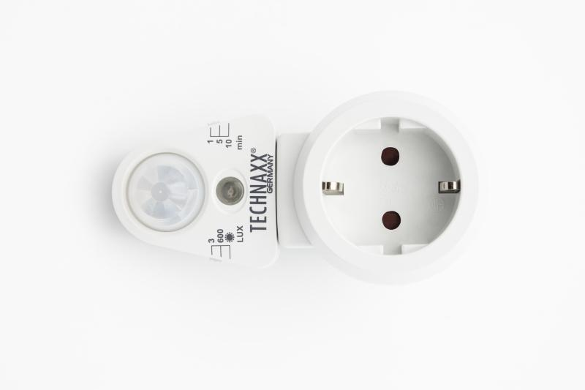
Technaxx Socket Adapter with PIR Motion and Light Sensor TX-224

Item number | 5036 |  | VE | no information
EAN | 4260358125671 |  | Pieces per pallet | no information
Customs number | 85365080 |  | Layers per pallet | no information
UPC | 0
Dimensions - item
Length(inch) | Width(inch) | Height(inch) | Weight(oz)
2.28 | 3.35 | 4.33 | 3,84

Dimensions - item packaging
Length(inch) | Width(inch) | Height(inch) | Tare(oz) | Weight(oz) product + packaging
3.54 | 2.52 | 6.3 | 1,20 | 5,19

Dimensions - VE box (master box)
Length(inch) | Width(inch) | Height(inch) | Weight(oz)
0 | 0 | 0 | 0,00

Packaging - components
Rest of accessories (oz) | Paper / cardboard (oz) | Styrofoam (oz) | Plastic hollow body(oz) | Plastic. foils(oz) | Composite materials (oz)
0,00 | 0,18 | 0,00 | 0,00 | 0,00 | 0,00

Further informations
Technaxx reseller portal

