Worksheet
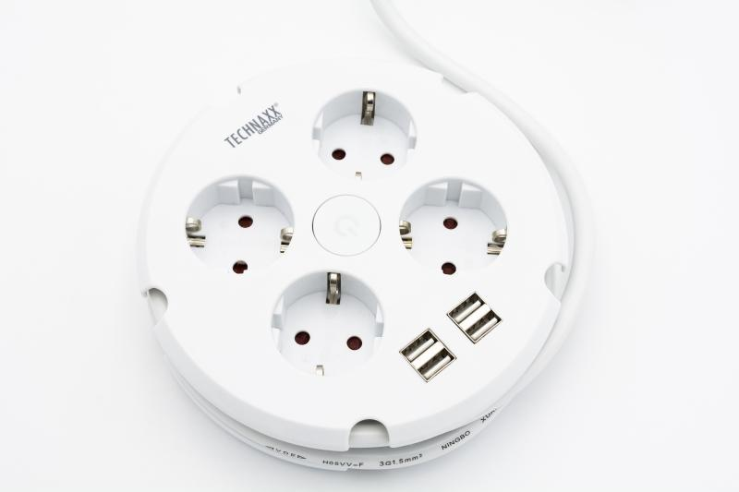
Technaxx 4-way power strip with cable drum & 4 USB ports TX-222

Item number | 5034 |  | VE | no information
EAN | 4260358125657 |  | Pieces per pallet | no information
Customs number | 85366990 |  | Layers per pallet | no information
UPC | 0
Dimensions - item
Length(inch) | Width(inch) | Height(inch) | Weight(oz)
5.91 | 5.91 | 1.61 | 16,44

Dimensions - item packaging
Length(inch) | Width(inch) | Height(inch) | Tare(oz) | Weight(oz) product + packaging
6.46 | 2.52 | 8.39 | 2,43 | 18,98

Dimensions - VE box (master box)
Length(inch) | Width(inch) | Height(inch) | Weight(oz)
0 | 0 | 0 | 0,00

Packaging - components
Rest of accessories (oz) | Paper / cardboard (oz) | Styrofoam (oz) | Plastic hollow body(oz) | Plastic. foils(oz) | Composite materials (oz)
0,00 | 0,18 | 0,00 | 0,00 | 0,00 | 0,00

Further informations
Technaxx reseller portal

