Worksheet
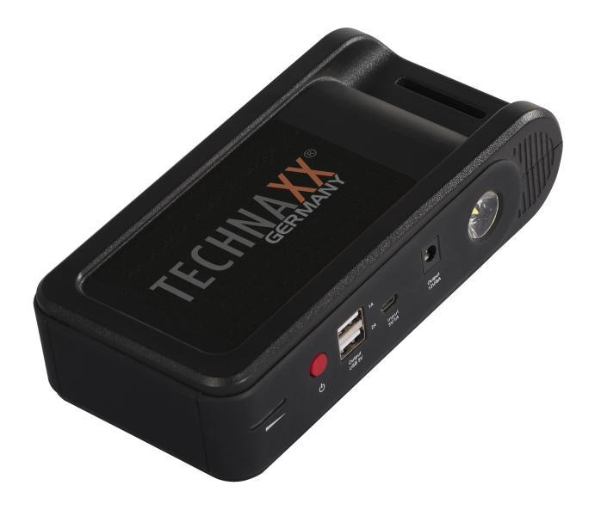
Technaxx Jump Starter & Powerbank TX-218

Item number | 5030 |  | VE | 12
EAN | 4260358125619 |  | Pieces per pallet | 324
Customs number | 85076000 |  | Layers per pallet | 3
UPC | 0
Dimensions - item
Length(inch) | Width(inch) | Height(inch) | Weight(oz)
7.09 | 1.77 | 3.66 | 20,74

Dimensions - item packaging
Length(inch) | Width(inch) | Height(inch) | Tare(oz) | Weight(oz) product + packaging
9.25 | 5.91 | 3.74 | 6,63 | 37,53

Dimensions - VE box (master box)
Length(inch) | Width(inch) | Height(inch) | Weight(oz)
19.29 | 18.5 | 7.87 | 416,23

Packaging - components
Rest of accessories (oz) | Paper / cardboard (oz) | Styrofoam (oz) | Plastic hollow body(oz) | Plastic. foils(oz) | Composite materials (oz)
7,58 | 2,50 | 0,00 | 0,00 | 0,14 | 0,00

Battery / accumulator informations
Battery needed | Battery included | Type of battery | Battery system(typus)
Yes | Yes | Akku | Li-Ion - Lithium-Ionen-Akku
Quantity(piece) | Weight per piece.(oz) | Energy density(WH/Kg) | Power (WH)
2 | 7,05 | 0 | 38.4

Lithium battery
Energy content | Weight (oz)
12 | 0,00

Further informations
Technaxx reseller portal

