Worksheet
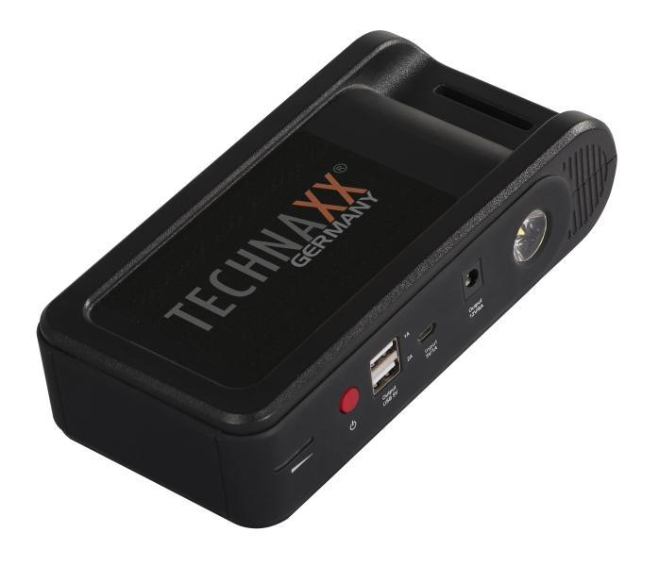
Technaxx Jump Starter & Powerbank TX-218

Item number | 5030 |  | VE | 12
EAN | 4260358125619 |  | Pieces per pallet | 324
Customs number | 85076000 |  | Layers per pallet | 3

Dimensions - item
Length(cm) | Width(cm) | Height(cm) | Weight(g)
18 | 4.5 | 9.3 | 588

Dimensions - item packaging
Length(cm) | Width(cm) | Height(cm) | Tare(g) | Weight(g) product + packaging
23.5 | 15 | 9.5 | 188 | 1064

Dimensions - VE box (master box)
Length(cm) | Width(cm) | Height(cm) | Weight(g)
49 | 47 | 20 | 11800

Packaging - components
Rest of accessories (g) | Paper / cardboard (g) | Styrofoam (g) | Plastic hollow body(g) | Plastic. foils(g) | Composite materials (g)
215 | 71 | 0 | 0 | 4 | 0

Battery / accumulator informations
Battery needed | Battery included | Type of battery | Battery system(typus)
Yes | Yes | Akku | Li-Ion - Lithium-Ionen-Akku
Quantity(piece) | Weight per piece.(g) | Energy density(WH/Kg) | Power (WH)
2 | 200 | 0 | 38.4

Lithium battery
Energy content | Weight (Kg)
12 | 0

Further informations
Technaxx reseller portal

