Worksheet
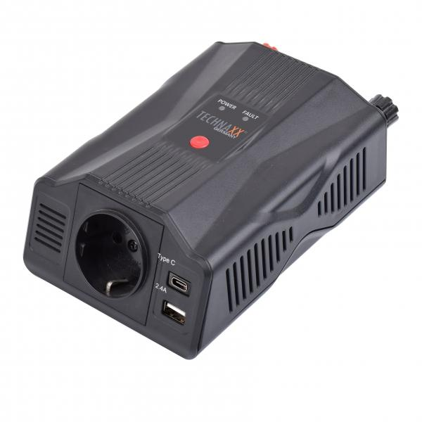
Technaxx Power Inverter 300W TE24

Item number | 5029 |  | VE | 12
EAN | 4260358125602 |  | Pieces per pallet | 600
Customs number | 8504408790 |  | Layers per pallet | 5
UPC | 0
Dimensions - item
Length(inch) | Width(inch) | Height(inch) | Weight(oz)
6.89 | 2.36 | 4.13 | 15,80

Dimensions - item packaging
Length(inch) | Width(inch) | Height(inch) | Tare(oz) | Weight(oz) product + packaging
6.89 | 2.56 | 7.09 | 2,50 | 27,30

Dimensions - VE box (master box)
Length(inch) | Width(inch) | Height(inch) | Weight(oz)
14.57 | 9.45 | 12.2 | 335,10

Packaging - components
Rest of accessories (oz) | Paper / cardboard (oz) | Styrofoam (oz) | Plastic hollow body(oz) | Plastic. foils(oz) | Composite materials (oz)
7,16 | 1,94 | 0,00 | 0,00 | 0,00 | 0,00

Further informations
Technaxx reseller portal

