Worksheet
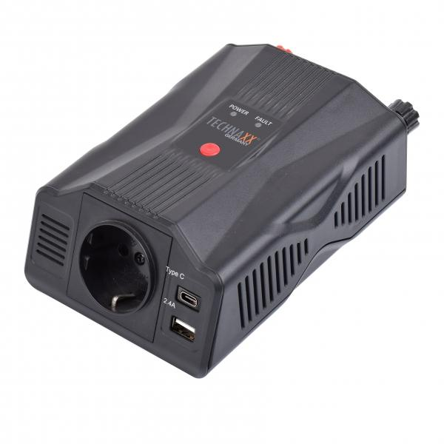
Technaxx Power Inverter 300W TE24

Item number | 5029 |  | VE | 12
EAN | 4260358125602 |  | Pieces per pallet | 600
Customs number | 8504408790 |  | Layers per pallet | 5

Dimensions - item
Length(cm) | Width(cm) | Height(cm) | Weight(g)
17.5 | 6 | 10.5 | 448

Dimensions - item packaging
Length(cm) | Width(cm) | Height(cm) | Tare(g) | Weight(g) product + packaging
17.5 | 6.5 | 18 | 71 | 774

Dimensions - VE box (master box)
Length(cm) | Width(cm) | Height(cm) | Weight(g)
37 | 24 | 31 | 9500

Packaging - components
Rest of accessories (g) | Paper / cardboard (g) | Styrofoam (g) | Plastic hollow body(g) | Plastic. foils(g) | Composite materials (g)
203 | 55 | 0 | 0 | 0 | 0

Further informations
Technaxx reseller portal

