Worksheet
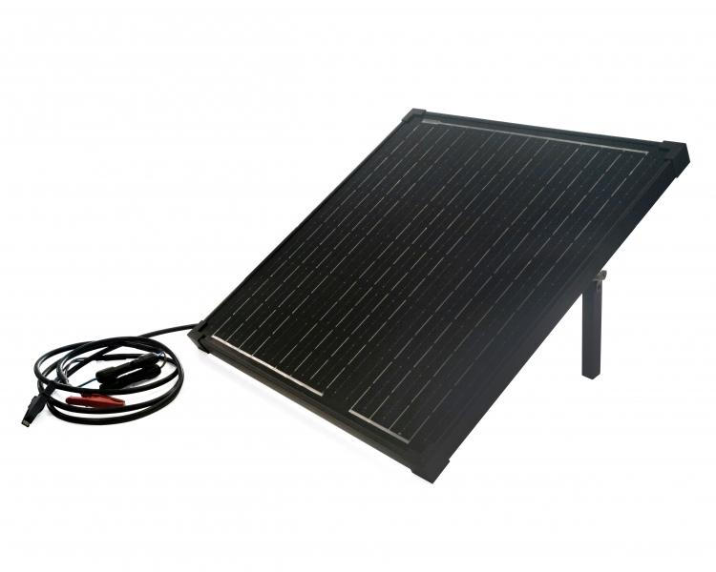
Technaxx 50W Solar Charger Set TX-214

Item number | 5023 |  | VE | 1
EAN | 4260358125558 |  | Pieces per pallet | 40
Customs number | 85017100 |  | Layers per pallet | 20
UPC | 0
Dimensions - item
Length(inch) | Width(inch) | Height(inch) | Weight(oz)
22.44 | 21.06 | 1.57 | 146,39

Dimensions - item packaging
Length(inch) | Width(inch) | Height(inch) | Tare(oz) | Weight(oz) product + packaging
24.61 | 23.03 | 3.35 | 25,04 | 179,90

Dimensions - VE box (master box)
Length(inch) | Width(inch) | Height(inch) | Weight(oz)
24.61 | 23.03 | 3.35 | 179,90

Packaging - components
Rest of accessories (oz) | Paper / cardboard (oz) | Styrofoam (oz) | Plastic hollow body(oz) | Plastic. foils(oz) | Composite materials (oz)
12,20 | 2,72 | 6,70 | 0,00 | 0,00 | 0,00

Further informations
Technaxx reseller portal

