Worksheet
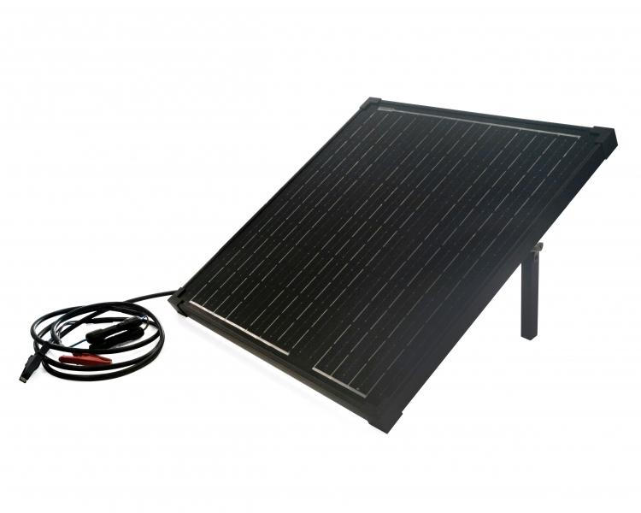
Technaxx 50W Solar Charger Set TX-214

Item number | 5023 |  | VE | 1
EAN | 4260358125558 |  | Pieces per pallet | 40
Customs number | 85017100 |  | Layers per pallet | 20

Dimensions - item
Length(cm) | Width(cm) | Height(cm) | Weight(g)
57 | 53.5 | 4 | 4150

Dimensions - item packaging
Length(cm) | Width(cm) | Height(cm) | Tare(g) | Weight(g) product + packaging
62.5 | 58.5 | 8.5 | 710 | 5100

Dimensions - VE box (master box)
Length(cm) | Width(cm) | Height(cm) | Weight(g)
62.5 | 58.5 | 8.5 | 5100

Packaging - components
Rest of accessories (g) | Paper / cardboard (g) | Styrofoam (g) | Plastic hollow body(g) | Plastic. foils(g) | Composite materials (g)
346 | 77 | 190 | 0 | 0 | 0

Further informations
Technaxx reseller portal

