Worksheet
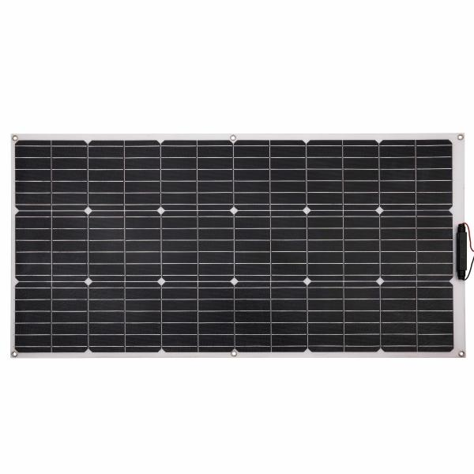
Technaxx Flexible Solar Panel100W TX-208

Item number | 5017 |  | VE | 5
EAN | 4260358125497 |  | Pieces per pallet | 50
Customs number | 85017200 |  | Layers per pallet | 10
UPC | 0
Dimensions - item
Length(inch) | Width(inch) | Height(inch) | Weight(oz)
42.52 | 21.06 | 1.02 | 35,56

Dimensions - item packaging
Length(inch) | Width(inch) | Height(inch) | Tare(oz) | Weight(oz) product + packaging
43.31 | 22.05 | 1.38 | 49,38 | 88,18

Dimensions - VE box (master box)
Length(inch) | Width(inch) | Height(inch) | Weight(oz)
43.66 | 7.87 | 22.13 | 617,29

Packaging - components
Rest of accessories (oz) | Paper / cardboard (oz) | Styrofoam (oz) | Plastic hollow body(oz) | Plastic. foils(oz) | Composite materials (oz)
0,00 | 0,92 | 1,41 | 0,00 | 0,00 | 0,00

Further informations
Technaxx reseller portal

