Worksheet
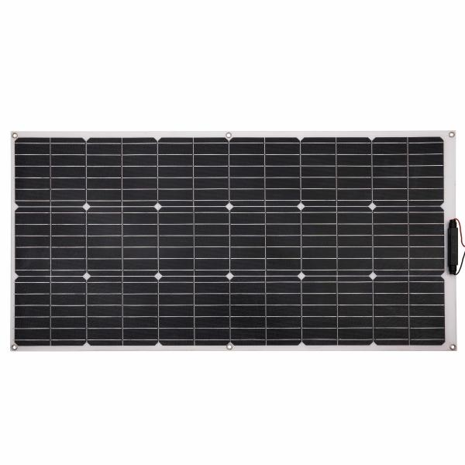
Technaxx Flexible Solar Panel100W TX-208

Item number | 5017 |  | VE | 5
EAN | 4260358125497 |  | Pieces per pallet | 50
Customs number | 85017200 |  | Layers per pallet | 10

Dimensions - item
Length(cm) | Width(cm) | Height(cm) | Weight(g)
108 | 53.5 | 2.6 | 1008

Dimensions - item packaging
Length(cm) | Width(cm) | Height(cm) | Tare(g) | Weight(g) product + packaging
110 | 56 | 3.5 | 1400 | 2500

Dimensions - VE box (master box)
Length(cm) | Width(cm) | Height(cm) | Weight(g)
110.9 | 20 | 56.2 | 17500

Packaging - components
Rest of accessories (g) | Paper / cardboard (g) | Styrofoam (g) | Plastic hollow body(g) | Plastic. foils(g) | Composite materials (g)
0 | 26 | 40 | 0 | 0 | 0

Further informations
Technaxx reseller portal

