Worksheet
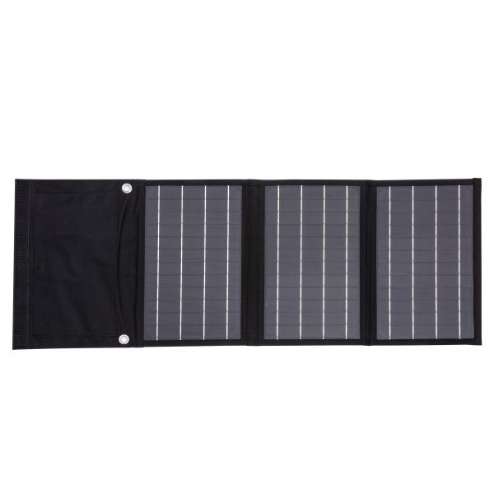
Technaxx 21W Solar Charging Case TX-207

Item number | 5016 |  | VE | 20
EAN | 4260358125480 |  | Pieces per pallet | 400
Customs number | 85017100 |  | Layers per pallet | 5
UPC
Dimensions - item
Length(inch) | Width(inch) | Height(inch) | Weight(oz)
11.02 | 7.49 | 1.3 | 24,34

Dimensions - item packaging
Length(inch) | Width(inch) | Height(inch) | Tare(oz) | Weight(oz) product + packaging
12.2 | 7.87 | 1.73 | 4,13 | 29,49

Dimensions - VE box (master box)
Length(inch) | Width(inch) | Height(inch) | Weight(oz)
12.6 | 15.75 | 23.62 | 705,48

Packaging - components
Rest of accessories (oz) | Paper / cardboard (oz) | Styrofoam (oz) | Plastic hollow body(oz) | Plastic. foils(oz) | Composite materials (oz)
0,00 | 4,23 | 0,00 | 0,00 | 0,00 | 0,00

Further informations
Technaxx reseller portal

