Worksheet
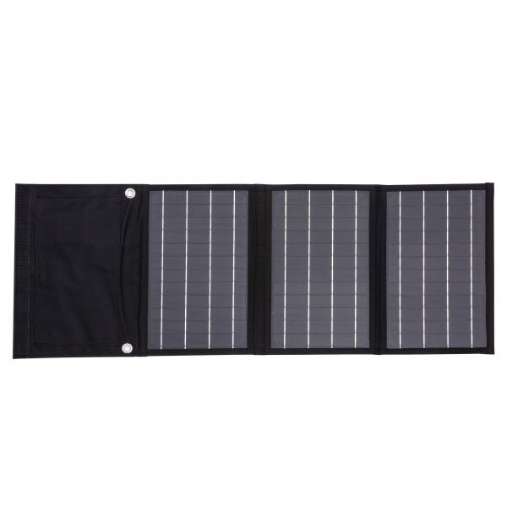
Technaxx 21W Solar Charging Case TX-207

Item number | 5016 |  | VE | 20
EAN | 4260358125480 |  | Pieces per pallet | 400
Customs number | 85017100 |  | Layers per pallet | 5

Dimensions - item
Length(cm) | Width(cm) | Height(cm) | Weight(g)
28 | 19.03 | 3.3 | 690

Dimensions - item packaging
Length(cm) | Width(cm) | Height(cm) | Tare(g) | Weight(g) product + packaging
31 | 20 | 4.4 | 117 | 836

Dimensions - VE box (master box)
Length(cm) | Width(cm) | Height(cm) | Weight(g)
32 | 40 | 60 | 20000

Packaging - components
Rest of accessories (g) | Paper / cardboard (g) | Styrofoam (g) | Plastic hollow body(g) | Plastic. foils(g) | Composite materials (g)
0 | 120 | 0 | 0 | 0 | 0

Further informations
Technaxx reseller portal

