Worksheet
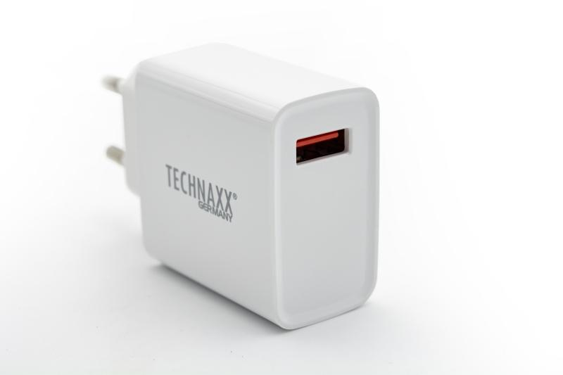
Technaxx 18W USB Type-A QC3.0 fast charger TX-197

Item number | 5006 |  | VE | no information
EAN | 4260358125381 |  | Pieces per pallet | no information
Customs number | 85044083 |  | Layers per pallet | no information
UPC | 0
Dimensions - item
Length(inch) | Width(inch) | Height(inch) | Weight(oz)
3.15 | 1.77 | 0.98 | 1,94

Dimensions - item packaging
Length(inch) | Width(inch) | Height(inch) | Tare(oz) | Weight(oz) product + packaging
3.94 | 0.98 | 7.09 | 0,46 | 2,43

Dimensions - VE box (master box)
Length(inch) | Width(inch) | Height(inch) | Weight(oz)
0 | 0 | 0 | 0,00

Packaging - components
Rest of accessories (oz) | Paper / cardboard (oz) | Styrofoam (oz) | Plastic hollow body(oz) | Plastic. foils(oz) | Composite materials (oz)
0,07 | 0,25 | 0,00 | 0,21 | 0,00 | 0,00

Further informations
Technaxx reseller portal

