Worksheet
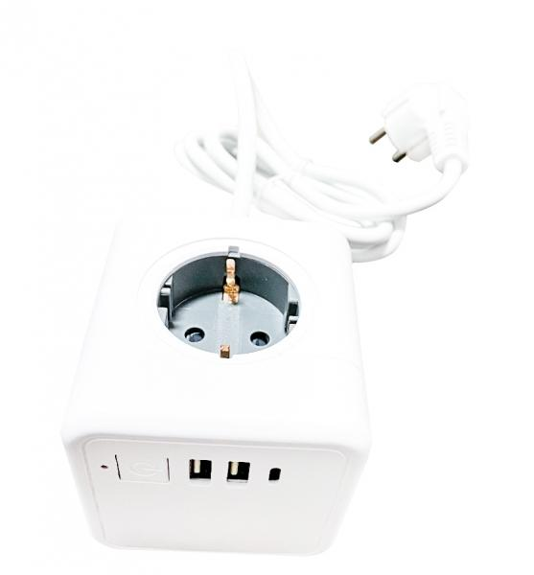
Technaxx Power Cube TX-195

Item number | 5004 |  | VE | 25
EAN | 4260358125367 |  | Pieces per pallet | 1050
Customs number | 85366990 |  | Layers per pallet | 7
UPC | 0
Dimensions - item
Length(inch) | Width(inch) | Height(inch) | Weight(oz)
2.95 | 2.95 | 2.95 | 15,63

Dimensions - item packaging
Length(inch) | Width(inch) | Height(inch) | Tare(oz) | Weight(oz) product + packaging
2.95 | 2.95 | 10.83 | 1,27 | 17,99

Dimensions - VE box (master box)
Length(inch) | Width(inch) | Height(inch) | Weight(oz)
15.75 | 15.75 | 10.63 | 493,84

Packaging - components
Rest of accessories (oz) | Paper / cardboard (oz) | Styrofoam (oz) | Plastic hollow body(oz) | Plastic. foils(oz) | Composite materials (oz)
0,60 | 0,56 | 0,00 | 0,00 | 1,31 | 0,00

Further informations
Technaxx reseller portal

