Worksheet
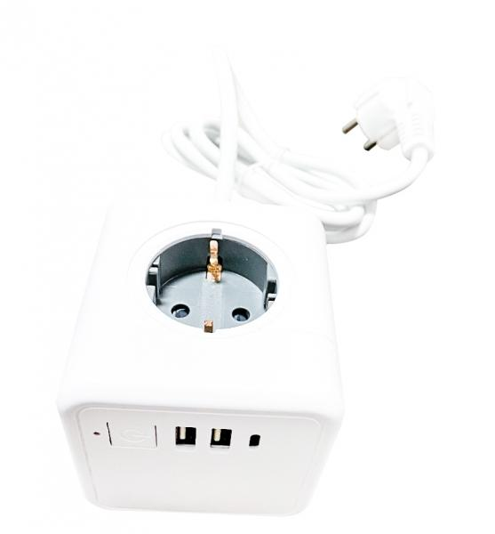
Technaxx Power Cube TX-195

Item number | 5004 |  | VE | 25
EAN | 4260358125367 |  | Pieces per pallet | 1050
Customs number | 85366990 |  | Layers per pallet | 7

Dimensions - item
Length(cm) | Width(cm) | Height(cm) | Weight(g)
7.5 | 7.5 | 7.5 | 443

Dimensions - item packaging
Length(cm) | Width(cm) | Height(cm) | Tare(g) | Weight(g) product + packaging
7.5 | 7.5 | 27.5 | 36 | 510

Dimensions - VE box (master box)
Length(cm) | Width(cm) | Height(cm) | Weight(g)
40 | 40 | 27 | 14000

Packaging - components
Rest of accessories (g) | Paper / cardboard (g) | Styrofoam (g) | Plastic hollow body(g) | Plastic. foils(g) | Composite materials (g)
17 | 16 | 0 | 0 | 37 | 0

Further informations
Technaxx reseller portal

