Worksheet
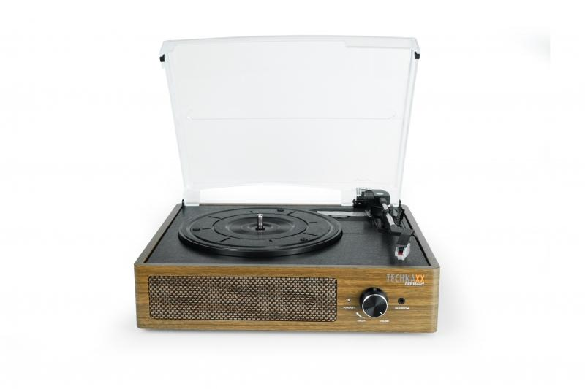
Technaxx BT Retro LP-Player TX-186

Item number | 5000 |  | VE | 3
EAN | 4260358125220 |  | Pieces per pallet | 54
Customs number | 85198900 |  | Layers per pallet | 3
UPC
Dimensions - item
Length(inch) | Width(inch) | Height(inch) | Weight(oz)
12.99 | 11.22 | 4.88 | 77,60

Dimensions - item packaging
Length(inch) | Width(inch) | Height(inch) | Tare(oz) | Weight(oz) product + packaging
14.41 | 12.8 | 6.38 | 0,00 | 88,18

Dimensions - VE box (master box)
Length(inch) | Width(inch) | Height(inch) | Weight(oz)
15.35 | 13.78 | 20.08 | 282,19

Packaging - components
Rest of accessories (oz) | Paper / cardboard (oz) | Styrofoam (oz) | Plastic hollow body(oz) | Plastic. foils(oz) | Composite materials (oz)
0,00 | 0,00 | 0,00 | 0,00 | 0,00 | 0,00

Further informations
Technaxx reseller portal

