Worksheet
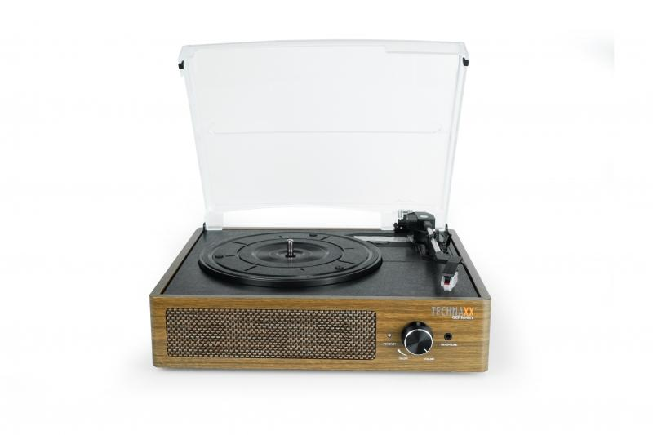
Technaxx BT Retro LP-Player TX-186

Item number | 5000 |  | VE | 3
EAN | 4260358125220 |  | Pieces per pallet | 54
Customs number | 85198900 |  | Layers per pallet | 3

Dimensions - item
Length(cm) | Width(cm) | Height(cm) | Weight(g)
33 | 28.5 | 12.4 | 2200

Dimensions - item packaging
Length(cm) | Width(cm) | Height(cm) | Tare(g) | Weight(g) product + packaging
36.6 | 32.5 | 16.2 | 0 | 2500

Dimensions - VE box (master box)
Length(cm) | Width(cm) | Height(cm) | Weight(g)
39 | 35 | 51 | 8000

Packaging - components
Rest of accessories (g) | Paper / cardboard (g) | Styrofoam (g) | Plastic hollow body(g) | Plastic. foils(g) | Composite materials (g)
0 | 0 | 0 | 0 | 0 | 0

Further informations
Technaxx reseller portal

