Worksheet
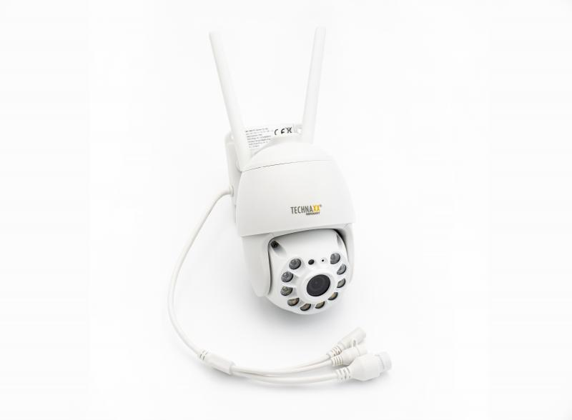
Technaxx 3MP Wifi PT Dome Camera TX-192

Item number | 4991 |  | VE | 16
EAN | 4260358125282 |  | Pieces per pallet | 128
Customs number | 85258300 |  | Layers per pallet | 4
UPC
Dimensions - item
Length(inch) | Width(inch) | Height(inch) | Weight(oz)
6.69 | 3.54 | 6.1 | 17,64

Dimensions - item packaging
Length(inch) | Width(inch) | Height(inch) | Tare(oz) | Weight(oz) product + packaging
7.68 | 6.89 | 4.8 | 5,33 | 33,30

Dimensions - VE box (master box)
Length(inch) | Width(inch) | Height(inch) | Weight(oz)
16.14 | 15.35 | 20.67 | 546,75

Packaging - components
Rest of accessories (oz) | Paper / cardboard (oz) | Styrofoam (oz) | Plastic hollow body(oz) | Plastic. foils(oz) | Composite materials (oz)
3,63 | 5,93 | 0,88 | 0,00 | 0,07 | 0,00

Further informations
Technaxx reseller portal

