Worksheet
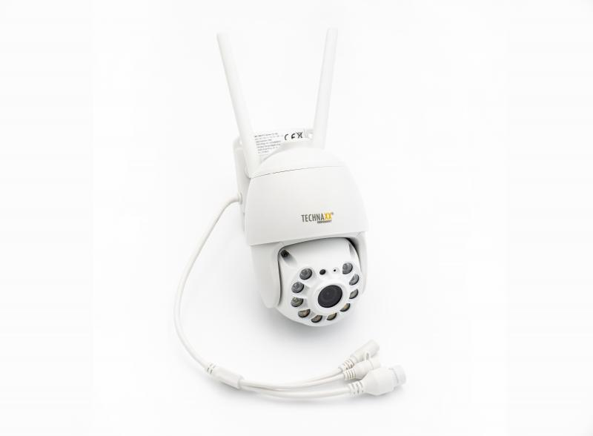
Technaxx 3MP Wifi PT Dome Camera TX-192

Item number | 4991 |  | VE | 16
EAN | 4260358125282 |  | Pieces per pallet | 128
Customs number | 85258300 |  | Layers per pallet | 4

Dimensions - item
Length(cm) | Width(cm) | Height(cm) | Weight(g)
17 | 9 | 15.5 | 500

Dimensions - item packaging
Length(cm) | Width(cm) | Height(cm) | Tare(g) | Weight(g) product + packaging
19.5 | 17.5 | 12.2 | 151 | 944

Dimensions - VE box (master box)
Length(cm) | Width(cm) | Height(cm) | Weight(g)
41 | 39 | 52.5 | 15500

Packaging - components
Rest of accessories (g) | Paper / cardboard (g) | Styrofoam (g) | Plastic hollow body(g) | Plastic. foils(g) | Composite materials (g)
103 | 168 | 25 | 0 | 2 | 0

Further informations
Technaxx reseller portal

