Worksheet
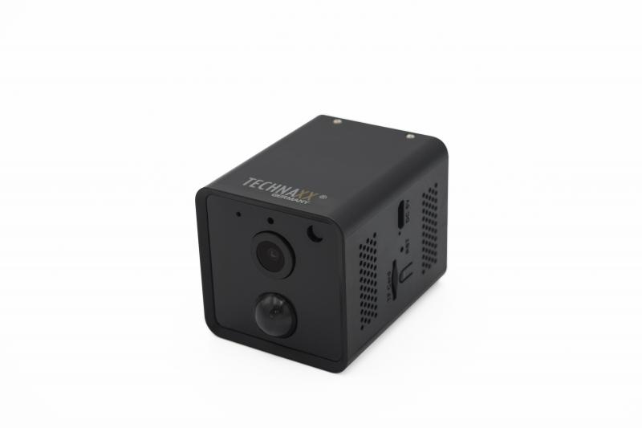
Technaxx Mini Wifi IP Camera with PIR Sensor TX-190

Item number | 4989 |  | VE | 50
EAN | 4260358125268 |  | Pieces per pallet | 900
Customs number | 85258300 |  | Layers per pallet | 3
UPC
Dimensions - item
Length(inch) | Width(inch) | Height(inch) | Weight(oz)
2.6 | 1.89 | 1.89 | 4,23

Dimensions - item packaging
Length(inch) | Width(inch) | Height(inch) | Tare(oz) | Weight(oz) product + packaging
4.76 | 4.76 | 2.6 | 4,59 | 12,35

Dimensions - VE box (master box)
Length(inch) | Width(inch) | Height(inch) | Weight(oz)
19.29 | 10.63 | 17.4 | 652,57

Packaging - components
Rest of accessories (oz) | Paper / cardboard (oz) | Styrofoam (oz) | Plastic hollow body(oz) | Plastic. foils(oz) | Composite materials (oz)
0,00 | 0,00 | 0,00 | 0,00 | 0,00 | 0,00

Battery / accumulator informations
Battery needed | Battery included | Type of battery | Battery system(typus)
Yes | Yes | Akku | Li - Lithium- Batterie
Quantity(piece) | Weight per piece.(oz) | Energy density(WH/Kg) | Power (WH)
2 | 0,74 | 210.43 | 4.44

Lithium battery
Energy content | Weight (oz)
0 | 1,49

Further informations
Technaxx reseller portal

