Worksheet
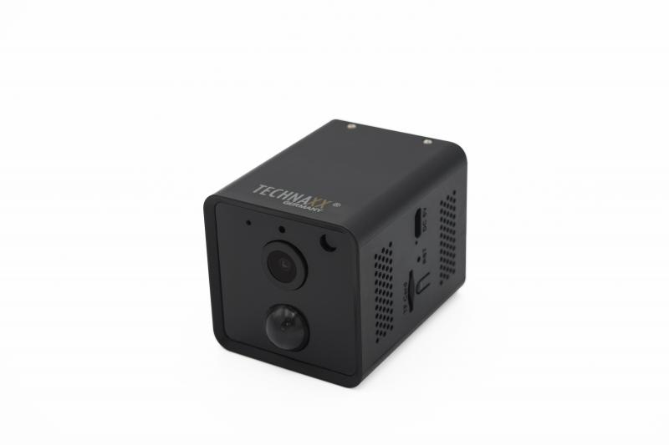
Technaxx Mini Wifi IP Camera with PIR Sensor TX-190

Item number | 4989 |  | VE | 50
EAN | 4260358125268 |  | Pieces per pallet | 900
Customs number | 85258300 |  | Layers per pallet | 3

Dimensions - item
Length(cm) | Width(cm) | Height(cm) | Weight(g)
6.6 | 4.8 | 4.8 | 120

Dimensions - item packaging
Length(cm) | Width(cm) | Height(cm) | Tare(g) | Weight(g) product + packaging
12.1 | 12.1 | 6.6 | 130 | 350

Dimensions - VE box (master box)
Length(cm) | Width(cm) | Height(cm) | Weight(g)
49 | 27 | 44.2 | 18500

Packaging - components
Rest of accessories (g) | Paper / cardboard (g) | Styrofoam (g) | Plastic hollow body(g) | Plastic. foils(g) | Composite materials (g)
0 | 0 | 0 | 0 | 0 | 0

Battery / accumulator informations
Battery needed | Battery included | Type of battery | Battery system(typus)
Yes | Yes | Akku | Li - Lithium- Batterie
Quantity(piece) | Weight per piece.(g) | Energy density(WH/Kg) | Power (WH)
2 | 21 | 210.43 | 4.44

Lithium battery
Energy content | Weight (Kg)
0 | 42.2

Further informations
Technaxx reseller portal

