Worksheet
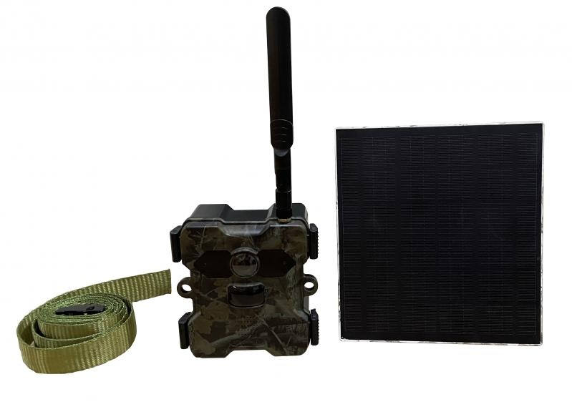
Technaxx 4G Wildcam TX-189 + Solar Panel

Item number | 4987 |  | VE | 8
EAN | 4260358125251 |  | Pieces per pallet | 192
Customs number | 85258900 |  | Layers per pallet | 3
UPC | 0
Dimensions - item
Length(inch) | Width(inch) | Height(inch) | Weight(oz)
4.61 | 2.56 | 5.12 | 20,60

Dimensions - item packaging
Length(inch) | Width(inch) | Height(inch) | Tare(oz) | Weight(oz) product + packaging
9.13 | 7.17 | 5.39 | 12,10 | 58,91

Dimensions - VE box (master box)
Length(inch) | Width(inch) | Height(inch) | Weight(oz)
19.09 | 14.96 | 11.81 | 497,36

Packaging - components
Rest of accessories (oz) | Paper / cardboard (oz) | Styrofoam (oz) | Plastic hollow body(oz) | Plastic. foils(oz) | Composite materials (oz)
17,60 | 8,25 | 0,00 | 0,00 | 0,39 | 0,00

Battery / accumulator informations
Battery needed | Battery included | Type of battery | Battery system(typus)
Yes | Yes | Akku | Li-Ion - Lithium-Ionen-Akku
Quantity(piece) | Weight per piece.(oz) | Energy density(WH/Kg) | Power (WH)
4 | 2,54 | 240.58 | 16.65

Lithium battery
Energy content | Weight (oz)
18 | 10,16

Further informations
Technaxx reseller portal

