Worksheet
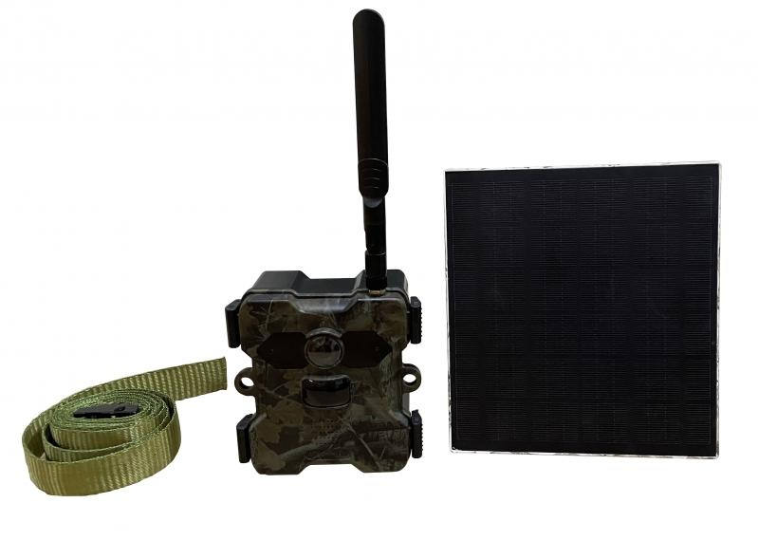
Technaxx 4G Wildcam TX-189 + Solar Panel

Item number | 4987 |  | VE | 8
EAN | 4260358125251 |  | Pieces per pallet | 192
Customs number | 85258900 |  | Layers per pallet | 3

Dimensions - item
Length(cm) | Width(cm) | Height(cm) | Weight(g)
11.7 | 6.5 | 13 | 584

Dimensions - item packaging
Length(cm) | Width(cm) | Height(cm) | Tare(g) | Weight(g) product + packaging
23.2 | 18.2 | 13.7 | 343 | 1670

Dimensions - VE box (master box)
Length(cm) | Width(cm) | Height(cm) | Weight(g)
48.5 | 38 | 30 | 14100

Packaging - components
Rest of accessories (g) | Paper / cardboard (g) | Styrofoam (g) | Plastic hollow body(g) | Plastic. foils(g) | Composite materials (g)
499 | 234 | 0 | 0 | 11 | 0

Battery / accumulator informations
Battery needed | Battery included | Type of battery | Battery system(typus)
Yes | Yes | Akku | Li-Ion - Lithium-Ionen-Akku
Quantity(piece) | Weight per piece.(g) | Energy density(WH/Kg) | Power (WH)
4 | 72 | 240.58 | 16.65

Lithium battery
Energy content | Weight (Kg)
18 | 288

Further informations
Technaxx reseller portal

