Worksheet
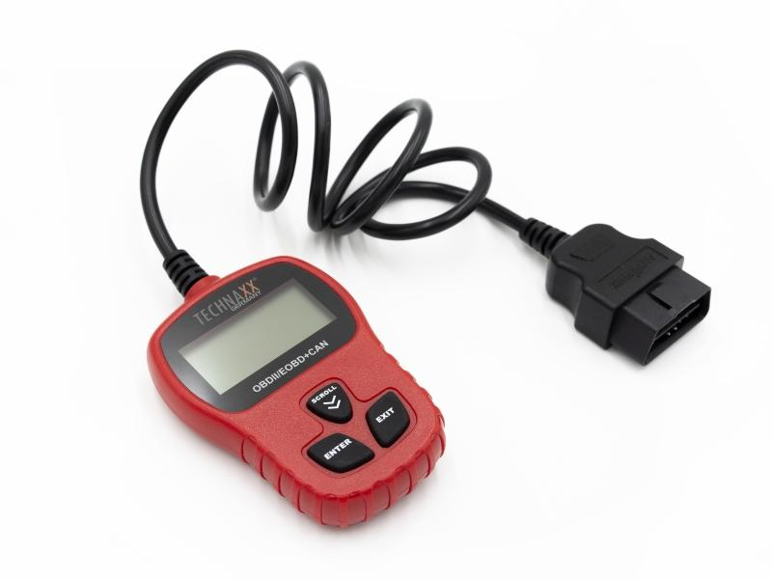
Technaxx OBD II Scanner TX-184

Item number | 4983 |  | VE | 58
EAN | 4260358125190 |  | Pieces per pallet | 696
Customs number | 90318080 |  | Layers per pallet | 3
UPC | 0
Dimensions - item
Length(inch) | Width(inch) | Height(inch) | Weight(oz)
2.76 | 0.79 | 3.94 | 6,28

Dimensions - item packaging
Length(inch) | Width(inch) | Height(inch) | Tare(oz) | Weight(oz) product + packaging
6.02 | 1.34 | 9.61 | 1,45 | 10,79

Dimensions - VE box (master box)
Length(inch) | Width(inch) | Height(inch) | Weight(oz)
19.29 | 17.52 | 15.47 | 511,47

Packaging - components
Rest of accessories (oz) | Paper / cardboard (oz) | Styrofoam (oz) | Plastic hollow body(oz) | Plastic. foils(oz) | Composite materials (oz)
0,00 | 1,80 | 0,00 | 1,09 | 0,00 | 0,00

Further informations
Technaxx reseller portal

