Worksheet
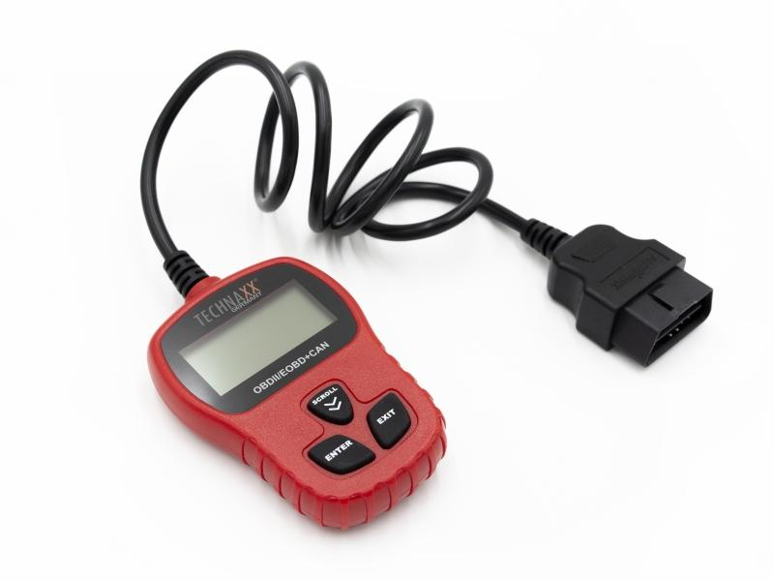
Technaxx OBD II Scanner TX-184

Item number | 4983 |  | VE | 58
EAN | 4260358125190 |  | Pieces per pallet | 696
Customs number | 90318080 |  | Layers per pallet | 3

Dimensions - item
Length(cm) | Width(cm) | Height(cm) | Weight(g)
7 | 2 | 10 | 178

Dimensions - item packaging
Length(cm) | Width(cm) | Height(cm) | Tare(g) | Weight(g) product + packaging
15.3 | 3.4 | 24.4 | 41 | 306

Dimensions - VE box (master box)
Length(cm) | Width(cm) | Height(cm) | Weight(g)
49 | 44.5 | 39.3 | 14500

Packaging - components
Rest of accessories (g) | Paper / cardboard (g) | Styrofoam (g) | Plastic hollow body(g) | Plastic. foils(g) | Composite materials (g)
0 | 51 | 0 | 31 | 0 | 0

Further informations
Technaxx reseller portal

